Model Performance
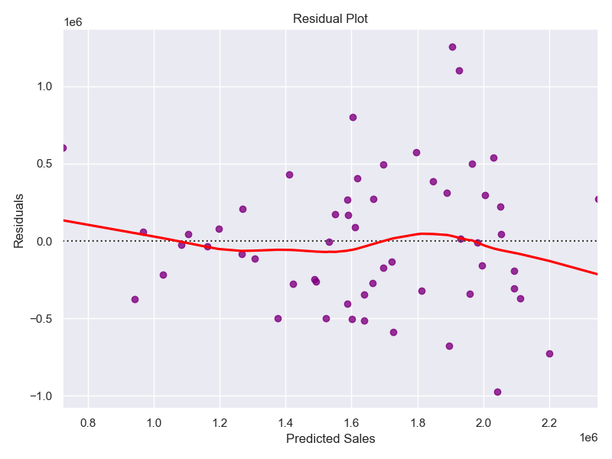
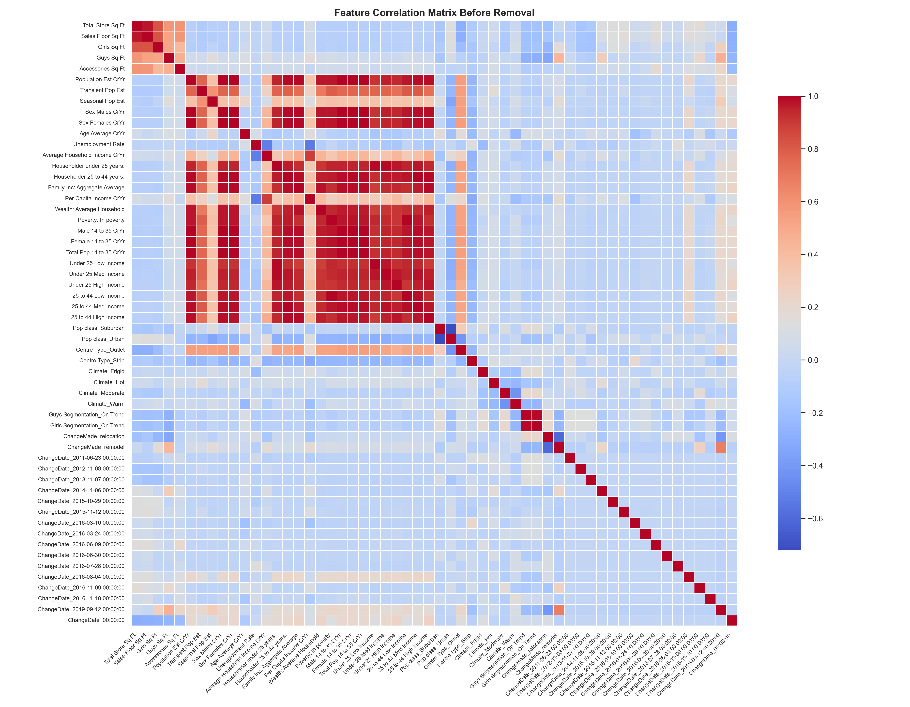
Metric | Value
MAPE (%) | 20.69
MAE | 372662.48
RMSE | 472598.57
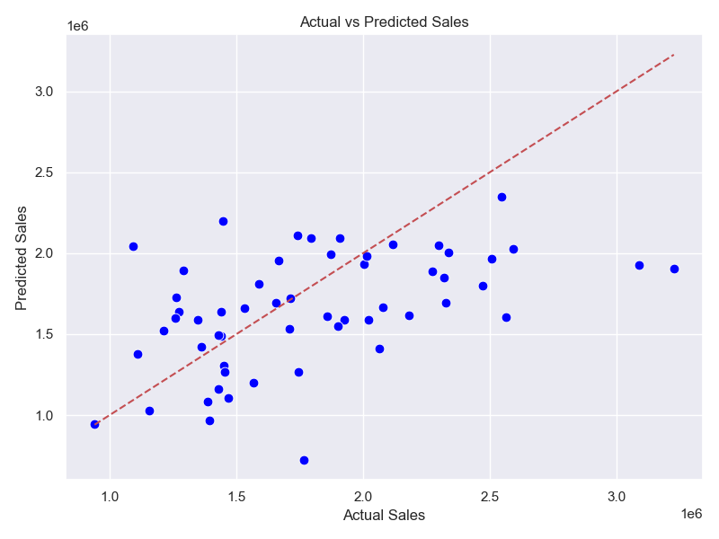
R-squared | 0.0982

